Power and Influence
Power and Influence Mapping

[Enter Sales Rep name]
 |  |  |  |  |  |  |  |  |  |  |  |  |  |  |  |  |  |  |  |  |  |  |  |  |  | If macros below do not work, either enable macros by clicking on the "options" in the Security Warning on top of this worksheet. If this is not visibile then ref to worksheet in this document labelled Enabling Macros. Alternatively, use menu ribbon to manually colour cells and menu options to create connector lines

[Enter Customer Name]
Influencer %
Percentage of influence on decision.
Total of percentages in P&I map should
equal 100%
Bias
+ = Favours Us
0 = Neutral
- = Favours competition
Role
E = Economic
T = Technical
U = User
C = Coach
Contact
N = None
L = Low
M = Medium
H = High
HBDI
Enter HBDI highest quadrant preferences
A = Rational / Analytical
B = Process / Practical
C = People / Social
D = Outcomes / Visionary
[Enter Reference]
 |  |  |  |  |  |  |  |  |  |  |  |  |  |  |  |  |  |  |  |  |  |  |  |  |  |  |  |  |  |  |  |  |  |  |  |  |  |  |  | `
 |  |  |  |  |  |  |  |  |  |  |  |  |  |  |  |  |  |  |  |  |  |  |  |  |  |  |  |  | <-- Select Cell below in P&I Map to make this colour, then click here

[Enter Reference]
 |  |  |  |  |  |  |  |  |  |  |  |  |  |  |  |  |  |  |  |  |  |  |  |  |  |  |  |  | <-- Select Cell below in P&I map to make this colour, then click here

Power Lines
 |  |  |  |  |  |  |  |  |  |  |  |  |  |  |  |  |  |  |  |  |  |  |  |  |  |  |  |  | <-- Click here to create new power lines then position lines

 |  |  |  |  |  |  |  |  |  |  |  |  |  |  |  | Name
 |  |  |  |  |  |  |  |  |  |  |  |  |  |  |  | Title |  |  |  |  |  |  |  |  |  |  |  |  |  |  |  |  |  |  |  |  |  |  |  |  | Inf% | Role | Bias | Clevel | Pref1 | Pref2
 |  |  |  |  |  |  |  |  |  |  |  |  |  |  |  | Infl% | Bias | Role | Contact |  | HDBI
 |  |  |  |  |  |  |  |  |  |  |  |  |  |  |  |  |  |  |  |  |  |  |  |  |  |  |  |  |  |  |  |  |  |  |  |  |  |  |  |  | 10% | E | + | N | A | A
 |  |  |  |  |  |  |  |  |  |  |  |  |  |  |  |  |  |  |  |  |  |  |  |  |  |  |  |  |  |  |  |  |  |  |  |  |  |  |  |  | 20% | T | O | L | B | B
 |  |  |  |  |  |  |  |  |  |  |  |  |  |  |  |  |  |  |  |  |  |  |  |  |  |  |  |  |  |  |  |  |  |  |  |  |  |  |  |  | 30% | U | - | M | C | C
 |  |  |  |  |  |  |  |  |  |  |  |  |  |  |  |  |  |  |  |  |  |  |  |  |  |  |  |  |  |  |  |  |  |  |  |  |  |  |  |  | 40% | C |  | H | D | D
 |  |  | Name |  |  |  |  |  |  |  |  |  |  |  |  | Name |  |  |  |  |  |  |  |  |  |  |  |  |  | Name |  |  |  |  |  |  |  |  |  |  | 50%
 |  |  | Title |  |  |  |  |  |  |  |  |  |  |  |  | Title |  |  |  |  |  |  |  |  |  |  |  |  |  | Title |  |  |  |  |  |  |  |  |  |  | 60%
 |  |  | Infl% | Bias | Role | Contact |  | HDBI |  |  |  |  |  |  |  | Infl% | Bias | Role | Contact |  | HDBI |  |  |  |  |  |  |  |  | Infl% | Bias | Role | Contact |  | HDBI |  |  |  |  |  | 70%
 |  |  |  |  |  |  |  |  |  |  |  |  |  |  |  |  |  |  |  |  |  |  |  |  |  |  |  |  |  |  |  |  |  |  |  |  |  |  |  |  | 80%
 |  |  |  |  |  |  |  |  |  |  |  |  |  |  |  |  |  |  |  |  |  |  |  |  |  |  |  |  |  |  |  |  |  |  |  |  |  |  |  |  | 90%
 |  |  |  |  |  |  |  |  |  |  |  |  |  |  |  |  |  |  |  |  |  |  |  |  |  |  |  |  |  |  |  |  |  |  |  |  |  |  |  |  | 100%

Name |  |  |  |  |  |  | Name |  |  |  |  |  | Name |  |  |  |  |  |  | Name |  |  |  |  |  |  | Name |  |  |  |  |  |  | Name
Title |  |  |  |  |  |  | Title |  |  |  |  |  | Title |  |  |  |  |  |  | Title |  |  |  |  |  |  | Title |  |  |  |  |  |  | Title
Infl% | Bias | Role | Contact | HDBI |  |  | Infl% |  | Bias | Role | Contact | HDBI | Infl% | Bias | Role | Contact | HDBI |  |  | Infl% |  | Bias | Role | Contact | HDBI |  | Infl% | Bias | Role | Contact | HDBI |  |  | Infl% |  | Bias | Role | Contact | HDBI

Name |  |  |  |  |  |  | Name |  |  |  |  |  | Name |  |  |  |  |  |  | Name |  |  |  |  |  |  | Name |  |  |  |  |  |  | Name
Title |  |  |  |  |  |  | Title |  |  |  |  |  | Title |  |  |  |  |  |  | Title |  |  |  |  |  |  | Title |  |  |  |  |  |  | Title
Infl% | Bias | Role | Contact | HDBI |  |  | Infl% |  | Bias | Role | Contact | HDBI | Infl% | Bias | Role | Contact | HDBI |  |  | Infl% |  | Bias | Role | Contact | HDBI |  | Infl% | Bias | Role | Contact | HDBI |  |  | Infl% |  | Bias | Role | Contact | HDBI

Name |  |  |  |  |  |  | Name |  |  |  |  |  | Name |  |  |  |  |  |  | Name |  |  |  |  |  |  | Name |  |  |  |  |  |  | Name
Title |  |  |  |  |  |  | Title |  |  |  |  |  | Title |  |  |  |  |  |  | Title |  |  |  |  |  |  | Title |  |  |  |  |  |  | Title
Infl% | Bias | Role | Contact | HDBI |  |  | Infl% |  | Bias | Role | Contact | HDBI | Infl% | Bias | Role | Contact | HDBI |  |  | Infl% |  | Bias | Role | Contact | HDBI |  | Infl% | Bias | Role | Contact | HDBI |  |  | Infl% |  | Bias | Role | Contact | HDBI

Name |  |  |  |  |  |  | Name |  |  |  |  |  | Name |  |  |  |  |  |  | Name |  |  |  |  |  |  | Name |  |  |  |  |  |  | Name
Title |  |  |  |  |  |  | Title |  |  |  |  |  | Title |  |  |  |  |  |  | Title |  |  |  |  |  |  | Title |  |  |  |  |  |  | Title
Infl% | Bias | Role | Contact | HDBI |  |  | Infl% |  | Bias | Role | Contact | HDBI | Infl% | Bias | Role | Contact | HDBI |  |  | Infl% |  | Bias | Role | Contact | HDBI |  | Infl% | Bias | Role | Contact | HDBI |  |  | Infl% |  | Bias | Role | Contact | HDBI

Enabling Macros
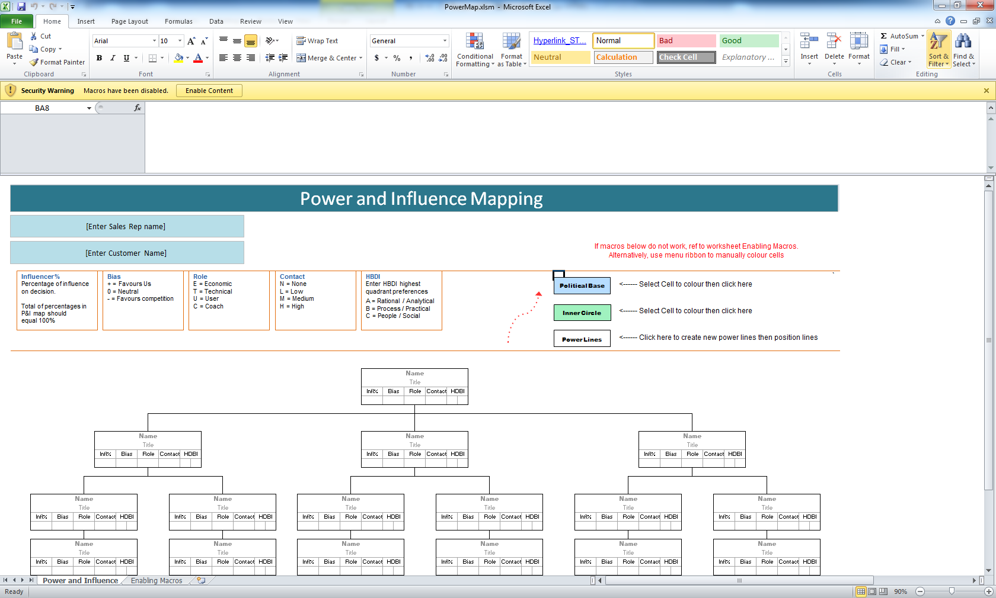
ENABLING MACROS
(For Excel 2010; you may need to refer to your Help menu for earlier version if the below does not work)

If macros are not enabled on your document, select File from the Menu, then Options from the list

Then from the popup window select Trust Centre, then Trust Centre Settings

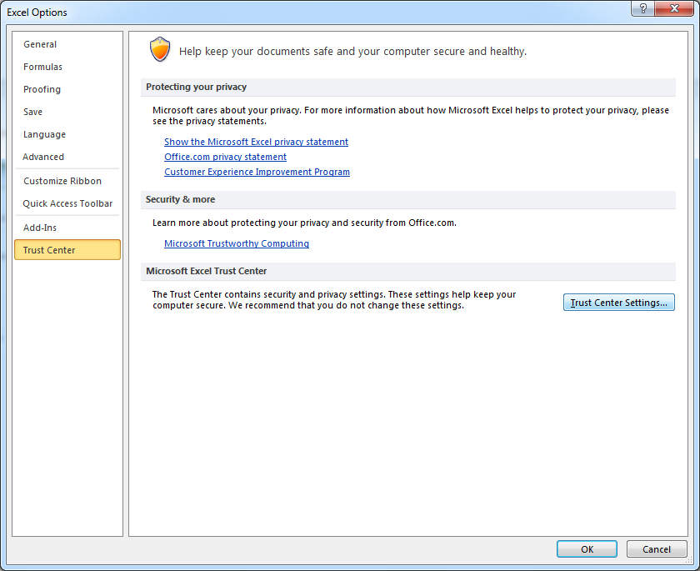

Ensure the option of "Show the Message Bar in all applications when active content, such as ActiveX controls and macros, has been blocked" is selected

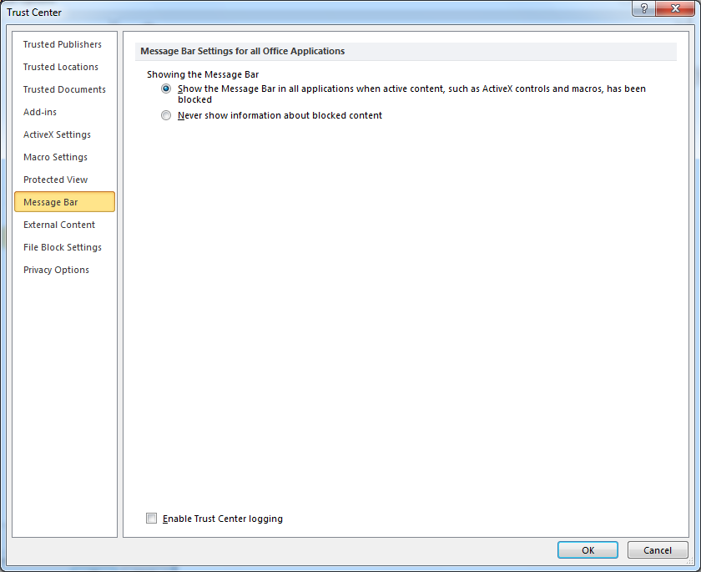

Press OK, then OK again to close Pop Up window

To make these selections active, you may need to close and re-open the file again.

When re-opened, you should see a yellow strip across the top of the document where you can select to Enable Content

